Home Tab
 | Advancement Forum

Welcome to the International Opportunity and Priority Matrix

The Advancement Forum International Opportunity and Priority Matrix assists advancement leaders in sizing opportunities for international fundraising before investing resources. Use this matrix to scope advancement opportunities abroad and prioritize regions with the largest potential ROI.

Click Here to Start

If at any point you require assistance or have questions about the matrix, please contact your Strategic Leader.

Instructions
 |  |  | Advancement Forum

Suggested countries
1
Relevant variables
2
Instructions |  | 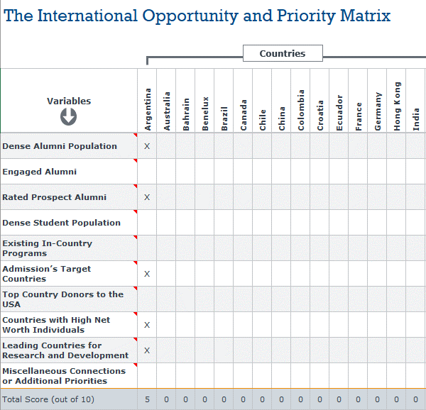
Completing the matrix:
Before you begin, the image to the right highlights key elements of the matrix, found on the next tab of this spreadsheet:
1
 | The top row contains suggested countries. Add or change additional countries as needed.
2
 | The left side of the matrix includes relevant variables to evaluate when deciding to invest resources in international fundraising. Each variable has a note attached with suggested resources.
3
Fill in an X
if accurate
3
 | Fill in an X for each variable that accurately describes the relative country. When you're finished you will see the total score for each country at the bottom of the table.
4
 | When you complete the matrix, use the scores to demonstrate the potential ROI of particular regions to university leaders. Countries with higher scores are more likely to have a higher ROI.
Click Here to Start Filling Out the Matrix
Total score
4

The Matrix
 |  |  |  |  |  |  |  |  |  |  |  |  |  |  |  |  |  |  |  |  |  |  |  |  |  |  |  |  |  |  |  |  |  |  |  | Advancement Forum

The International Opportunity and Priority Matrix

Countries

Variables | Argentina | Australia | Bahrain | Benelux | Brazil | Canada | China | Colombia | Croatia | France | Germany | Hong Kong | India | Indonesia | Ireland | Italy | Japan | Kuwait | Malaysia | Mexico | Nigeria | Norway | Poland | Qatar | Romania | Russia | Saudi Arabia | Singapore | South Africa | South Korea | Spain | Sweden | Switzerland | Taiwan | Thailand | Turkey | U.K. | UAE
Dense Alumni Population | X
Engaged Alumni
Rated Prospect Alumni | X
Dense Student Population
Existing In-Country Programs
Admission’s Target Countries | X
Top Country Donors to the USA
Countries with High Net Worth Individuals | X
Leading Countries for Research and Development | X
Miscellaneous Connections or Additional Priorities
Total Score (out of 10) | 5 | 0 | 0 | 0 | 0 | 0 | 0 | 0 | 0 | 0 | 0 | 0 | 0 | 0 | 0 | 0 | 0 | 0 | 0 | 0 | 0 | 0 | 0 | 0 | 0 | 0 | 0 | 0 | 0 | 0 | 0 | 0 | 0 | 0 | 0 | 0 | 0 | 0 | 0 | 0 | 0 | 0 | 0

