Definitions
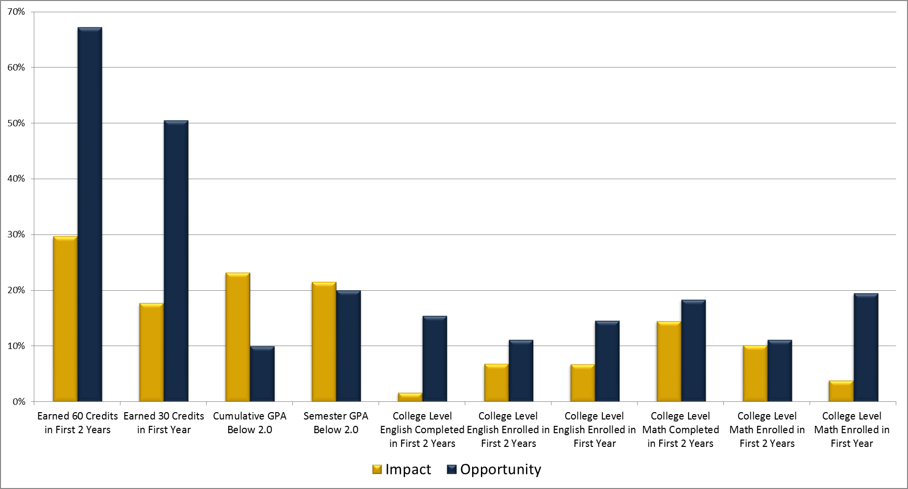
Column | Definition | Data | Actual Value Calculation | Expected Value Calculation
Instructional FTE | The total full-time equivalent faculty and instructional academic staff positions allocated to the unit. | 2012 | Redbook
Collaborative Research or Creative Activity | The percent of graduating majors that participated in at least one faculty/student collaborative research or creative activity experience. | Graduating classes from 2009, 2010, 2011. | Students listed in ORSP, Blugold Fellows, International Fellows programming, or students who registered for one or more of the designated courses (see Appendix I). | University-wide average needed to fulfill Blugold Commitment.
Internships | The percent of graduating majors that participated in at least one "internship" experience including traditional internships, student teaching, and clinical experiences. | Graduating classes from 2009, 2010, 2011. | Students who registered for one or more of the designated courses (see Appendix II). | University-wide average needed to fulfill Blugold Commitment.
Intercultural Immersion | The percent of graduating majors that participated in at least one intercultural immersion experience. | Graduating classes from 2009, 2010, 2011. | Students listed in CIE, Domestic Intercultural Immersion, or National Student Exchange programming, who went on the Civil Rights Pilgrimage, majored or minored in Spanish or Latin American Studies, or registered for one or more of the designated courses (see Appendix III). | University-wide average needed to fulfill Blugold Commitment.
Freshmen Degree Plans | The percent of freshmen majors with four-year degree plans within the CampS degree planning system. | CampS degree plan audit from December, 2012. | CampS plans with explicit use of 2016-2017 term or at least 20 courses in the plan. | University-wide average needed to fulfill Blugold Commitment.
Advisee Satisfaction | The percent of majors that rated the overall quality of their academic advising as "good" or "excellent." | National Survey on Student Engagement (NSSE) responses from 2012 Pilot Study. | Seniors responding to the survey. | University-wide average needed to fulfill Blugold Commitment.
Students of Color Majors | The percent of current majors that are Native American, African American, Hispanic, Asian, Alaska Native, Native Hawaiian, Pacific Islander, or two or more races. | CampS major from December, 2012. | Student self-report. | The percent of such underrepresented students within the overall student population (average from three most-recent years).
Transfer Student Majors | The number of new transfer students transferring into a major offered by the department/program. | 2009, 2010, 2011 | Three-year average. | Share of UW-Eau Claire Ed Attainment goal proportional to share of instructional FTE.
High School Student Interest | The portion (share) of graduating high school students who submitted ACT scores to UW-Eau Claire who indicated an interest in a major offered by the department/program who submitted ACT scores to UW-Eau Claire | 2012 | ACT High School Graduating Class of 2012 Interest Survey. Calculation uses the number of students expressing interest in a major divided by the total number of students who submitted ACT scores to UW-Eau Claire. | The portion of all Minnesota and Wisconsin students taking the ACT who expressed an interest in a major (regardless of whether they sent their scores to UW-Eau Claire).
Freshmen Majors | The portion (share) of first-time, full-time new freshmen who are majoring in the department/program. | 2009, 2010, 2011 | Three-year average. | Share proportional to share of instructional FTE.
Total Majors | The portion (share) of all UW-Eau Claire students who are majoring in the department/program. | 2009, 2010, 2011 | Three-year average. | Share proportional to share of instructional FTE.
Liberal Education Core SCH | The total of all General Education student credits hours offered by the department/program. | 2011, 2012, 2013 | Three-year average. | Share of UW-Eau Claire target proportional to share of instructional FTE.
Winterim UG SCH | The total of all undergraduate Winter Session student credit hours offered by the department/program. | 2013 | One year. | Share proportional to share of instructional FTE.
Summer UG SCH | The total of all undergraduate Summer Session student credit hours offered by the department/program. | 2012 | One year. | Share proportional to share of instructional FTE.
SCH Lost Due to WRF | The portion (share) of all student credit hours lost because students whithdrew, failed, or were repeating courses offered by the department/program. | 2009, 2010, 2011 | Three-year average. | Share of actual SCH (i.e., a department's percentage of lost SCH should be proportion to their percentage of all SCH).
Midterm Frosh Grade Report
30 Credits First Year | The percent of majors earning 30 credits in their first academic year at UW-Eau Claire. | 2009, 2010, 2011 | Three-year average. | Arbitrary target.
Tuition from Major | Twenty percent (20%) of the tuition for students majoring in department/program. | 2009, 2010, 2011 | Three-year average. Assumes resident per-credit tuition rate multipled by credits of each course. | Share proportional to share of instructional FTE.
Earned Income Ratio | Earned income divided by direct expenditures. | 2009, 2010, 2011 | Division of three-year averages. | 1.30 recognizing 30% institutional operating overhead.
Notes:
- Only a student's 1st major in included in determining major.

